images
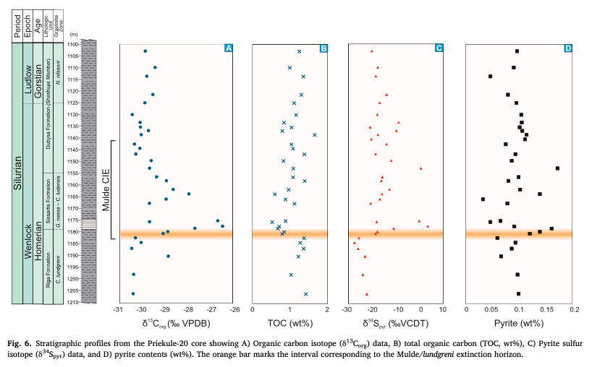
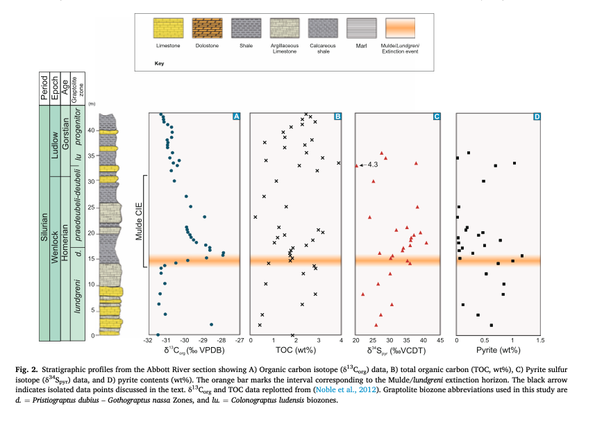
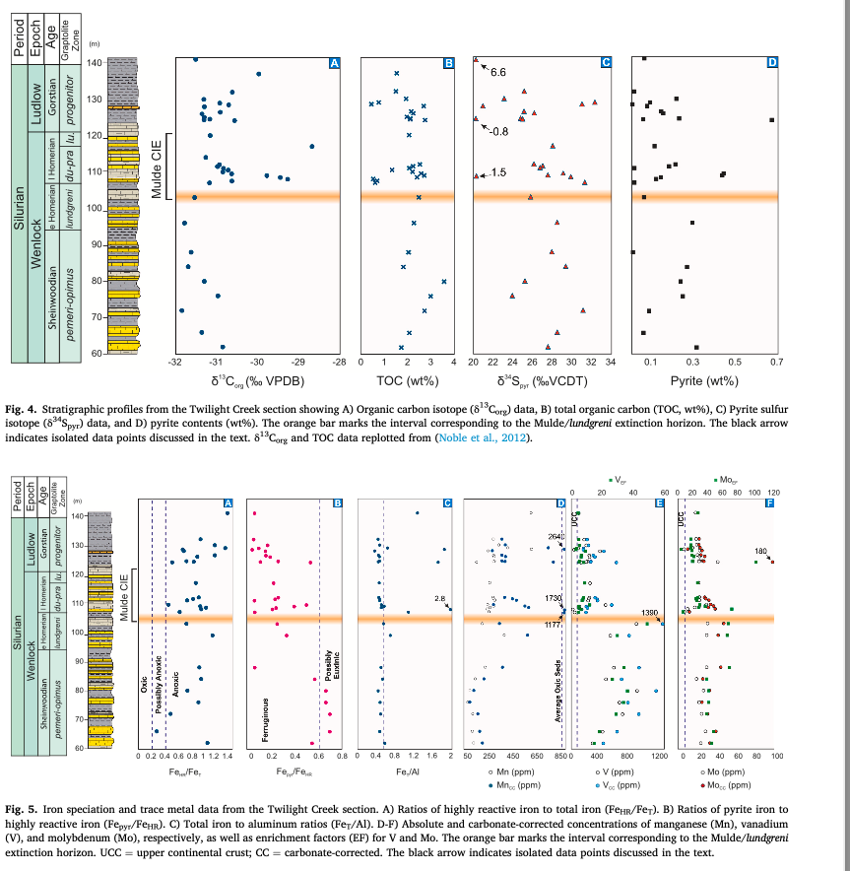
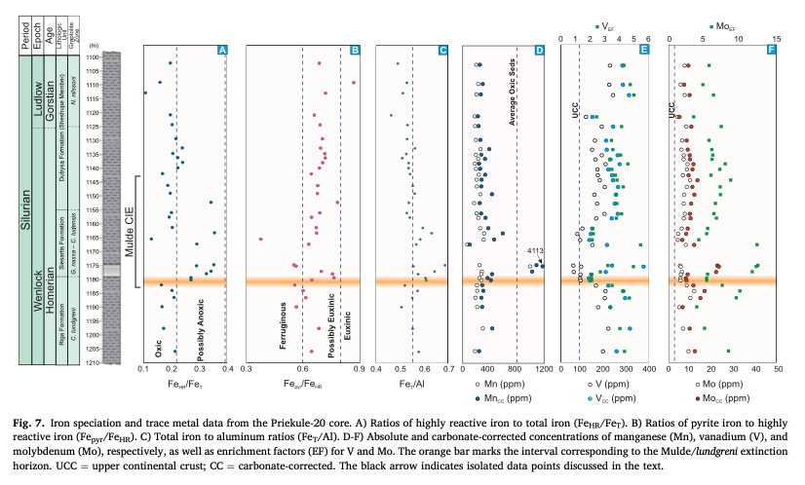
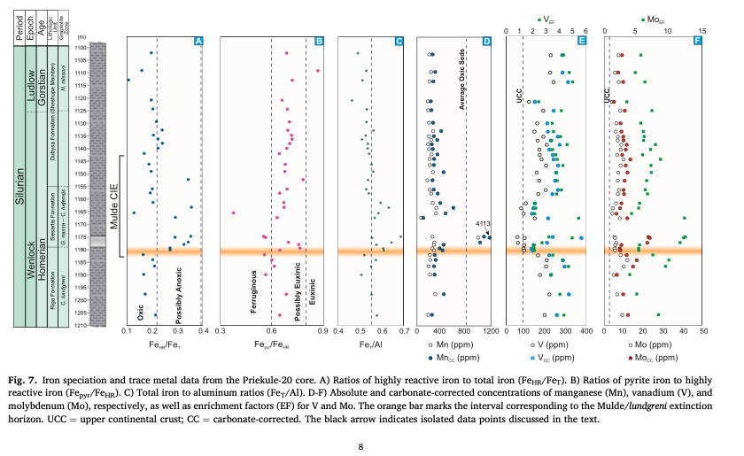
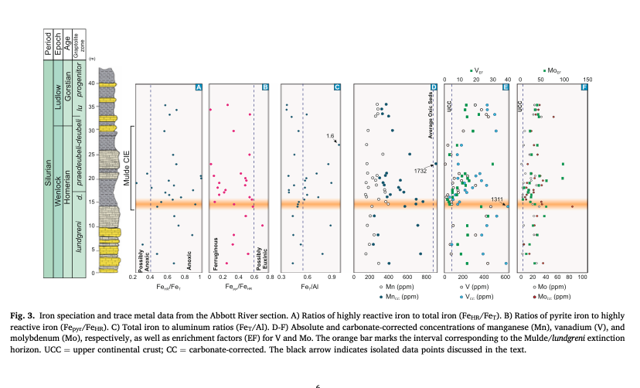
col_id | image_name | ref_id | page_number | figure_number | description | comments
 |  | moghadam+_2025 | 6 | 2 | Abbott River strat column and geochem
 |  | moghadam+_2026 | 6 | 3 | Abbott River strat column with iron speciation and trace metal data
 |  | moghadam+_2027 | 7 | 4 | Twilight Creek strat column and geochem
 |  | moghadam+_2028 | 7 | 5 | Twilight Creek strat column with iron speciation and trace metal data
 |  | moghadam+_2029 | 8 | 6 | Priekule-20 core strat column and geochem
 |  | moghadam+_2030 | 8 | 7 | Priekule-20 core strat column with iron speciation and trace metal data

